Sheet1
INSP case no: |  |  |  |  | Veterinarian’s name & surname: |  | Deepali Narotam |  |  |  | Purina body condition scale
Attending Inspector name & surname: | Julian |  |  |  | SAVC Registration number: |  | D24/19130 |  |  |  | 1. Emaciated
 |  |  |  |  | Qualification/s: |  | BVSc |  |  |  | 2. Very underweight
Owner name & surname: | Lesley Godfrey |  |  |  | Years of practice/experience: |  | 2.5 |  |  |  | 3. Underweight
Address: | 64A Beaufighter Street Rocklands, 7784 |  |  |  |  |  |  |  |  |  | 4. Acceptable, but leaning towards the underweight side
Date admitted into SPCA: | 1/8/25 |  |  |  | Date of examination: |  | 2025-08-01 |  |  |  | 5. Acceptable
 |  |  |  |  |  |  |  |  |  |  | 7. Overweight
ANIMAL INFORMATION | Animal 1 | Animal 2 | Animal 3 | Animal 4 | Animal 5 | Animal 6 | Animal 7 | Animal 8 | Animal 9 | Animal 10 | 8. Very overweight
Admission number: | A70051 |  |  |  |  |  |  |  |  |  | 9. Obese
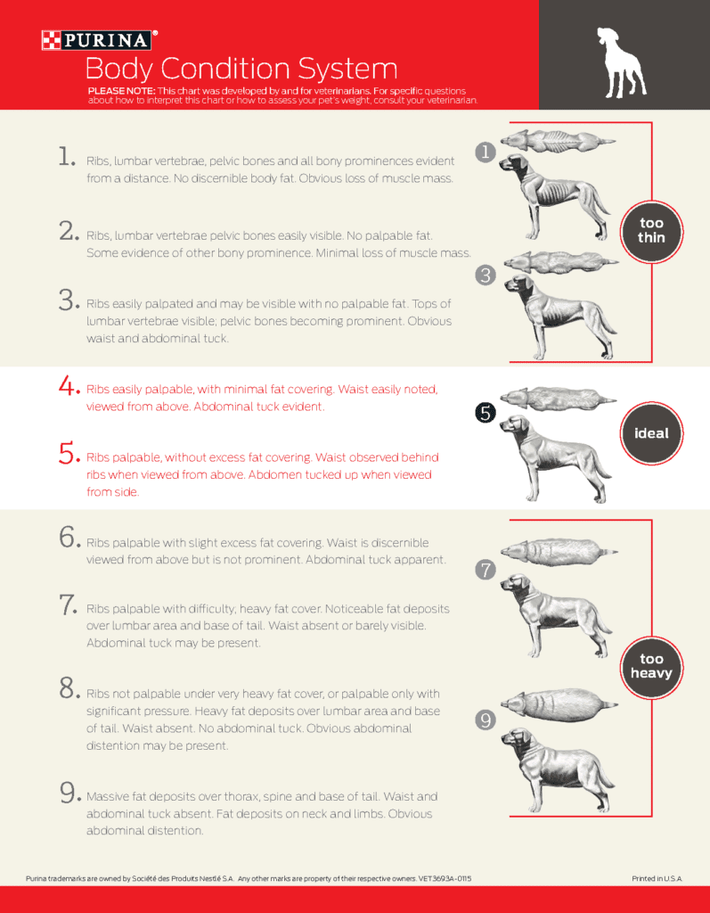
Sex and reproductive status: | Male (intact)
Breed: | Mixed medium
Species: | Canine
Estimated Age: | Adult
Microchip number (if applicable): | N/A
Colour and markings: | White and Brown
Name (if known): | Bruno

CLINICAL EXAMINATION FINDINGS
Body condition score: | 3. Underweight
Weight: | no Weight recorded
Behaviour: | Depressed habitus and weakness.
Presence of parasites: | Tick and flea infestation
Dentals: | Plaque and tarter on teeth
Nails: | Fine
Other:
Skin scrape | Negative for mites
Mucous membranes | Pale pink
Blood smear: | Sufficient platlets, moderate neutrophilia
Temperature: | 39.1C
OPINION OF THE VETERINARIAN
Medical concerns/injuries found: | Enlarged bilateral pre-scapular lymphnodes and submandibular lymphnodes. Ventral Right mandible: large pendulous irregular tumour. Ventral Left mandible also has large penduolous irregular growth. Large open ulcerated infected tumour of both left and right lateral cheeks with deep gaping wounds. Left eyelid and eye involved with the border of the tumour. Left eye has a desmetocoele present (Deep corneal ulcer) with active infection and puruluent thick discharge draining out of eye. Fine needle aspirate (FNA) of growths indicated criteria of malignancy and cells asscociated with that of a malignant tumour. Abdominal palpation revealed large mass in abdomen, Post morten was done and showed two large tumours of the spleen causing bleeding into the abdomen.Animal was infested with ticks and fleas indicating no routine tick and flea control and unhygienic lving conditions. Animal had generalised alopecia of skin,lichenification of ventral abdomen and dorsal lumbar area. Skin was dry, erythematous and inflammed. Skin condition likley due to untreated external parasites causing pruritis and excessive itching/biting of skin causing redness and hairloss.
Cause and nature of injuries/conditions: | Chronic, more than a month in duration
Duration of suffering: | Chronic
Prognosis: | Grave
Recommended course of action: | APA soon after evaluation to prevent further suffering

Conclusion: | Dog was left to suffer for a prolonged period without much needed veterinary care and intervention, Animal has suffered unnessarily. In my opinion the signs seen are consistent with animal cruelty and neglect.

