Sheet1
INSP case no: | 215966 |  |  |  | Veterinarian’s name & surname: |  | G Birch |  |  |  | Purina body condition scale
Attending Inspector name & surname: | Van der Zandt |  |  |  | SAVC Registration number: |  | D065077 |  |  |  | 1. Emaciated
 |  |  |  |  | Qualification/s: |  | BVSc |  |  |  | 2. Very underweight
Owner name & surname: |  |  |  |  | Years of practice/experience: |  | 16 |  |  |  | 3. Underweight
Address: |  |  |  |  |  |  |  |  |  |  | 4. Acceptable, but leaning towards the underweight side
Date admitted into SPCA: |  |  |  |  | Date of examination: |  | 2025-07-08 |  |  |  | 5. Acceptable
 |  |  |  |  |  |  |  |  |  |  | 7. Overweight
ANIMAL INFORMATION | Animal 1 | Animal 2 | Animal 3 | Animal 4 | Animal 5 | Animal 6 | Animal 7 | Animal 8 | Animal 9 | Animal 10 | 8. Very overweight
Admission number: | A42224 | A42221 |  |  |  |  |  |  |  |  | 9. Obese
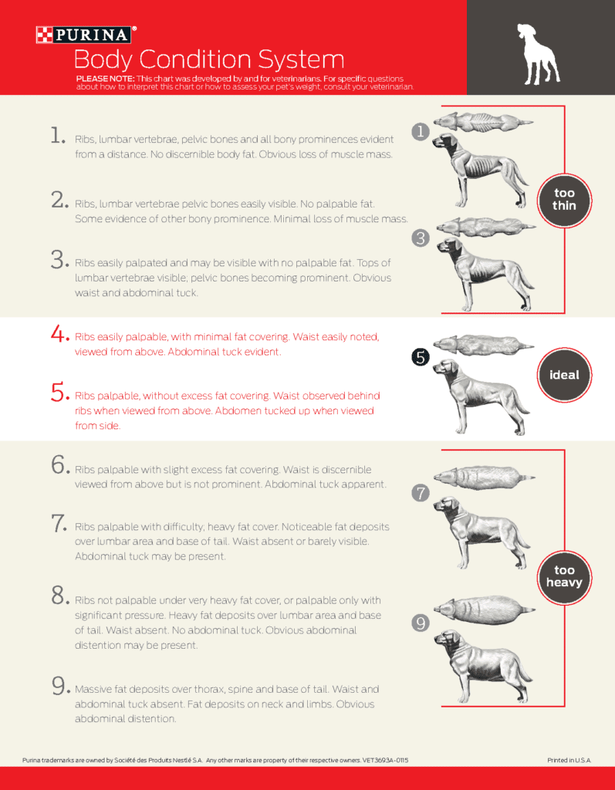
Sex and reproductive status: | Male (intact) | Female (intact)
Breed: | X breed | X breed
Species: | Canine | Canine
Estimated Age: | Adult | Juvenile
Microchip number (if applicable):
Colour and markings: | Tan and black | Tan and white
Name (if known):

CLINICAL EXAMINATION FINDINGS
Body condition score: | 3. Underweight | 2. Very underweight
Weight: | 27 | 3.1
Behaviour: | fair demeanour | good demeanour
Presence of parasites: | nad | marked flea dirt
Dentals: | nad | nad
Nails: | nad | nad
Other: | coat: poor condition, crusting around ear tips (sometime related to inflamation due to fly strike); multiple old scars | Coat: generalised mild facial nodular demratitis esp around muzzle, mild periocular alopecia, R eye minor epiphora with entropion, marked flea dirt

OPINION OF THE VETERINARIAN
Medical concerns/injuries found: | Underweight | very underweight, fascial dermatitis, epiphora R eye
Cause and nature of injuries/conditions: | most likely related to underfeeding and poor parasite control | weight: most likely related to underfeeding and poor parasite control; facial dermatitis mild: could be related to facial pruritis due to allergic or environmental reaction; epiphora R eye poss related to conjunctivitis and mild entropion (anatomical abn)
Duration of suffering: | na | mild facial irratation, mild ocular discomfort - short duration, alopecia around eye - poss longer
Prognosis: |  | good
Recommended course of action: | improved dietary intake and qaulity of food and implement parasite management | treat parasites (this includes mites and fleas), improve dietary management, treat infection conjunctivitis and see response to entropion; see response to above and progression of fascial prurits, if not improving to consider futher diagnostitcs

Conclusion: | With proper husbandry and care condition should improve | With basicanimal care and ocular treatment these conditions should improve

