Sheet1
INSP case no: | 218603 |  |  |  | Veterinarian’s name & surname: |  | George Birch |  |  |  | Purina body condition scale
Attending Inspector name & surname: | Lee Prins |  |  |  | SAVC Registration number: |  | D065077 |  |  |  | 1. Emaciated
 |  |  |  |  | Qualification/s: |  | BVSc |  |  |  | 2. Very underweight
Owner name & surname: |  |  |  |  | Years of practice/experience: |  | 16 |  |  |  | 3. Underweight
Address: |  |  |  |  |  |  |  |  |  |  | 4. Acceptable, but leaning towards the underweight side
Date admitted into SPCA: | 18/07/2025 |  |  |  | Date of examination: |  | 22/07/25 |  |  |  | 5. Acceptable
 |  |  |  |  |  |  |  |  |  |  | 7. Overweight
ANIMAL INFORMATION | Animal 1 | Animal 2 | Animal 3 | Animal 4 | Animal 5 | Animal 6 | Animal 7 | Animal 8 | Animal 9 | Animal 10 | 8. Very overweight
Admission number: | A57966 |  |  |  |  |  |  |  |  |  | 9. Obese
Sex and reproductive status: | Male (intact)
Breed: | Pitbull
Species: | Canine
Estimated Age: | approx. 5yr
Microchip number (if applicable):
Colour and markings: | white and tan
Name (if known): | Smudge

CLINICAL EXAMINATION FINDINGS
Body condition score: | 4. Acceptable, but leaning towards the underweight side
Weight: | 28kg
Behaviour: | fair
Presence of parasites: | neg
Dentals: | WNL
Nails: | WNL
Other: | Multiple Dermal masses in non pigmented skin ventrum; severe ulcerated mass ventral scrotum; perinasal depigmentation, R conjunctivitis - concern solar dermatitis; low bilaterial ears dermatitis - suspect due solar dermatitis; conformation - hocks bilateral straight, predisposes to osteoarthritis (OA) of multiple joints and poss cranial curciate disease. |  |  |  |  |  |  |  |  | 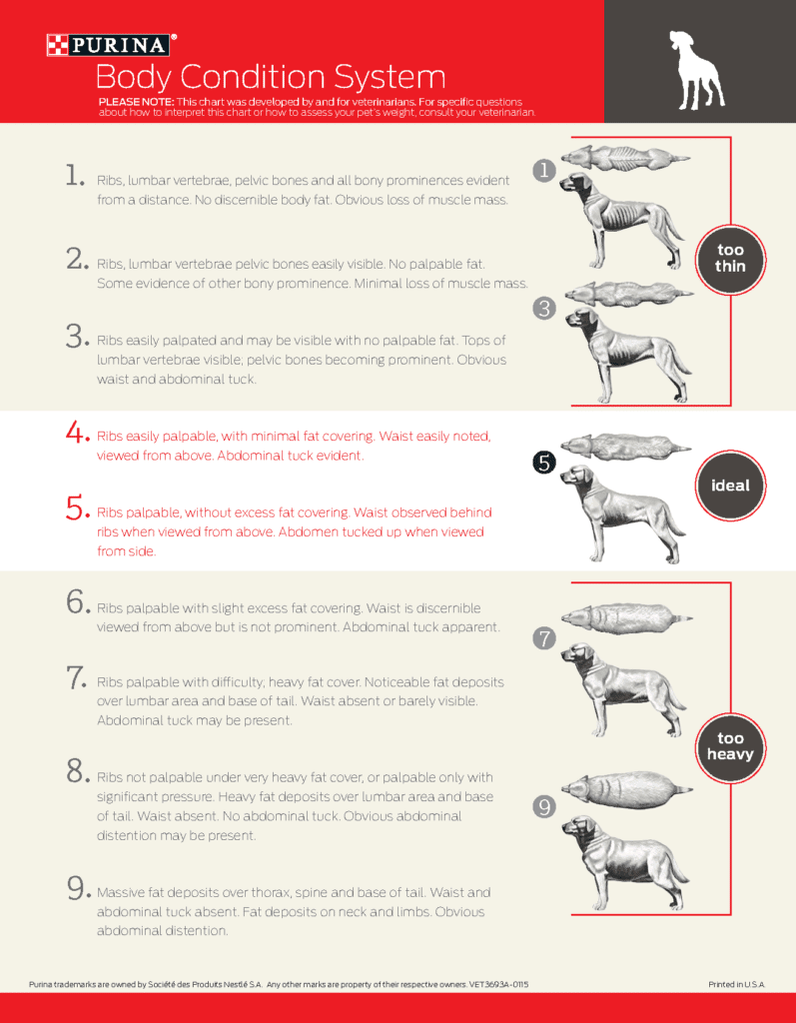

OPINION OF THE VETERINARIAN
Medical concerns/injuries found: | multiple neoplastic lesions, multiple areas of solar induced dermatitis; conformation predispose for osteoarthritis
Cause and nature of injuries/conditions: | poor skin pigmentation leads to dermatitis and neoplastic lesions; poor conformational changes predisposes to OA
Duration of suffering: | masses and dermatitis lead to low grade chronic inflammation
Prognosis: | fair (can not cure neoplastic lesions - only manage them with surgery)
Recommended course of action: | Under different cirumstances I would advise surgery and long term sun tan lotion/preventative management (minimise sun exposure). Osteoarthtic management when clinically significant.

Conclusion: | size and degree of ulceration SCC lesions marked, this would point to inadeqaute veterinary care

