Sheet1
INSP case no: | 215650 |  |  |  | Veterinarian’s name & surname: |  | George Birch |  |  |  | Purina body condition scale
Attending Inspector name & surname: | R Davids |  |  |  | SAVC Registration number: |  | D065077 |  |  |  | 1. Emaciated
 |  |  |  |  | Qualification/s: |  | BVSc |  |  |  | 2. Very underweight
Owner name & surname: |  |  |  |  | Years of practice/experience: |  | 16 |  |  |  | 3. Underweight
Address: |  |  |  |  |  |  |  |  |  |  | 4. Acceptable, but leaning towards the underweight side
Date admitted into SPCA: | 16/07 |  |  |  | Date of examination: |  | 22/07/25 |  |  |  | 5. Acceptable
 |  |  |  |  |  |  |  |  |  |  | 7. Overweight
ANIMAL INFORMATION | Animal 1 | Animal 2 | Animal 3 | Animal 4 | Animal 5 | Animal 6 | Animal 7 | Animal 8 | Animal 9 | Animal 10 | 8. Very overweight
Admission number: | A60548 | A60549 |  |  |  |  |  |  |  |  | 9. Obese
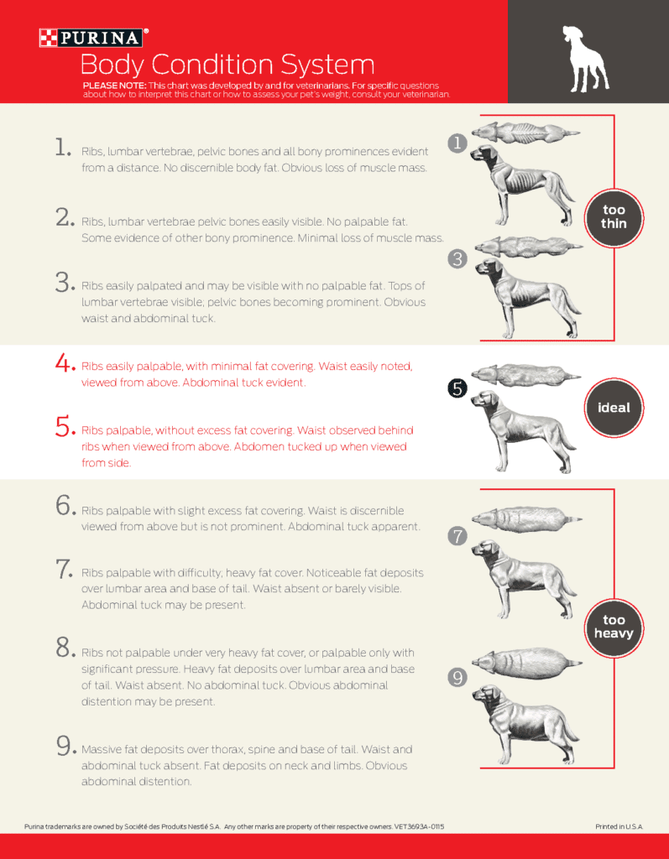
Sex and reproductive status: | Female (intact) | Male (intact)
Breed: | Canine | Canine
Species: | Pitbull | Pitbull
Estimated Age: | Adult | Adult
Microchip number (if applicable):
Colour and markings: | Brown/white | White/brown
Name (if known): | Coco | Xavier

CLINICAL EXAMINATION FINDINGS
Body condition score: | 7. Overweight | 4. Acceptable, but leaning towards the underweight side
Weight: | 27 | 28
Behaviour: | good, overexitable | good
Presence of parasites: | nad | nad
Dentals: | nad | nad
Nails: | nad | nad
Other: | Skin: periaural hair loss; periocular hair loss L with crusting; Otitis externa bilat with chronic skin changes. Respiratory: tracheal irratation on lead - concern re tracheitis developing | Skin: patchy alopecia dorsum head, ventral midline neck, caudal medial aspect hindlimbs; also superfiscial dermatitis dorsum head, ventral neck and L stifle; periaural crusting and bilat otitis externa;

OPINION OF THE VETERINARIAN
Medical concerns/injuries found: | see above | see above
Cause and nature of injuries/conditions: | underlying Allergic Dermatitis with otitis externa and fascial pruritis | unclear if underlying allergic dermatitis; otitis externa
Duration of suffering: | ongoing low morbidity condition that can be dificult to manage | unclear underlying condition - if allergy then ongoing low grade morbidity and can be dificult to manage
Prognosis: | good, pending response to treatment and compliance | fair to good, pending response to treatment and compliance
Recommended course of action: | skin scrape; ear smear; prednisone drug trail; skin scrape WNL; Ear cyto: R cocci ++++, L malassezia +; to continue treatment for otitis externa (bacterial) | skine scrape to rule out mites; ear smears, pridnisone drug trail and topical treamtment; Skin scrape: WNL; ear cyto: R rods and cocci ++, L yeast and mixed bacteria ++; to continue treatment for otitis externa (mixed infection); needs ongoing treatment

Conclusion: | This is most often an ongoing condition that needs year round or seasonal treatment. | this condition is most likely ongoing with current situation being a flare up of superfiscial dermatitis

