Sheet1
INSP case no: |  |  |  |  | Veterinarian’s name & surname: |  | Dr Faa’timah-Tuz-Zahraa Mayet |  |  |  | Purina body condition scale
Attending Inspector name & surname: |  |  |  |  | SAVC Registration number: |  | D25/19238 |  |  |  | 1. Emaciated
 |  |  |  |  | Qualification/s: |  | BVSc |  |  |  | 2. Very underweight
Owner name & surname: | Nicholas Sherry |  |  |  | Years of practice/experience: |  | 2 |  |  |  | 3. Underweight
Address: | 55 5th Avenue Retreat |  |  |  |  |  |  |  |  |  | 4. Acceptable, but leaning towards the underweight side
Date admitted into SPCA: | 2025-07-12 |  |  |  | Date of examination: |  | 2025-07-12 |  |  |  | 5. Acceptable
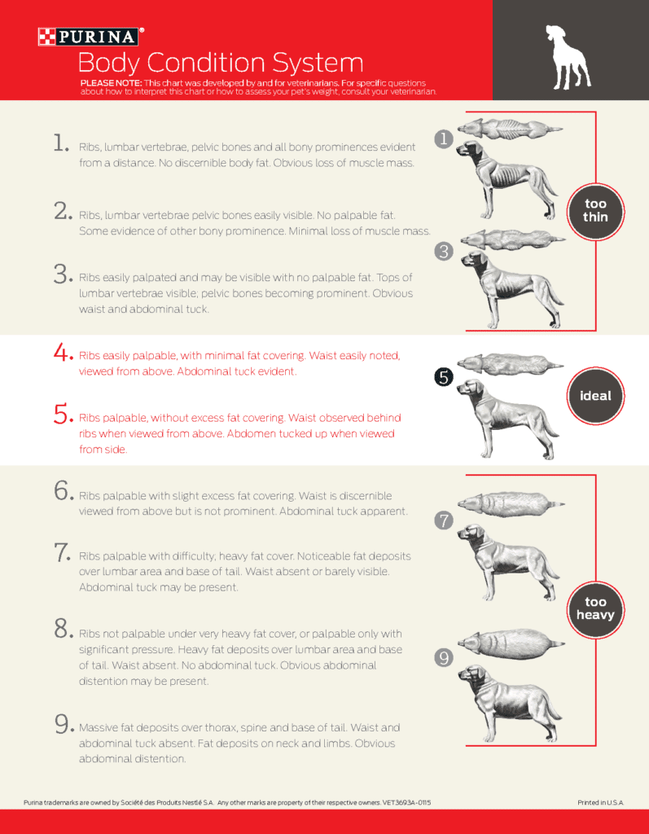
 |  |  |  |  |  |  |  |  |  |  | 7. Overweight
ANIMAL INFORMATION | Animal 1 | Animal 2 | Animal 3 | Animal 4 | Animal 5 | Animal 6 | Animal 7 | Animal 8 | Animal 9 | Animal 10 | 8. Very overweight
Admission number: | H135204 |  |  |  |  |  |  |  |  |  | 9. Obese
Sex and reproductive status: | Male (intact)
Breed: | Pitbull
Species: | Canine
Estimated Age: | 5
Microchip number (if applicable):
Colour and markings: | Black and White
Name (if known): | Milo

CLINICAL EXAMINATION FINDINGS
Body condition score: | 1. Emaciated
Weight: | -
Behaviour: | Animal was dying on arrival
Presence of parasites: | Not seen
Dentals: | Good
Nails: | Good
Other:

OPINION OF THE VETERINARIAN
Medical concerns/injuries found: | The animal showed severe emaciation with no presence of muscle overlying the bony processes. The skeleton was clearly visible beneath the overlying skin.
Cause and nature of injuries/conditions: | Such severe emaciation is caused by chronic malnutrition occurring over a lengthy time period.
Duration of suffering: | Chronic
Prognosis: | None
Recommended course of action: | Given the advanced state of emaciation, it is unlikely that the condition developed over a period of 5 days as suggested by the owner. The severity of the muscle and fat loss suggests a prolonged period of inadequate nutrition and/or underlying illness. The owner was unable to provide a clear history regarding the duration of weight loss and reported last seeing the dog still appetent 5 days ago after which the dog was left in the care of the owner’s sister. While there is no clear indication of malicious intent, there appears to have been a crucial lapse in appropriate care. The animal’s condition should have warranted immediate veterinary attention well before reaching such a critical state even if it was still eating as the owner claimed. It is recommended that the matter be further investigated to the neglect, even if there was no malicious intent.

Conclusion: | The dog presented the clinic in a state of extreme emaciation and died during examination, despite immediate attention. The owner reported seeing the dog 5 days prior, stating that it was eating and had been left in the care of his sister. However based on clinical presentation, it is highly unlikely that the dog reached such a critical condition in a period of 5 days. The severity of emaciation strongly suggests that the animal had been in a compromised state for a considerably longer period. The owner was unable to provide clear answers regarding the duration of weight loss or any attempted veterinary intervention prior to visiting the SPCA hospital. While there is no immediate evidence of malicious intent, there appears to have been a serious failure in ensuring the animal’s basic needs were met, constituting neglect under the Animal Protection Act. The case should be further investigated and it is recommended that: An inspection be conducted in the premises where the dog was kept while the owner was away as well as at the owner’s home. Statement should be obtained from both owner and sister.

